Datasheet Android
Shandong SENTER Electronic Co.,Ltd
Address：No.18 Liu Yishan Road, New&Hi-Area,Zibo,Shandong,China 255086 Tel:+86-533-3589257 Email: Lisa@senter.com.cn
Model No.: ST935K
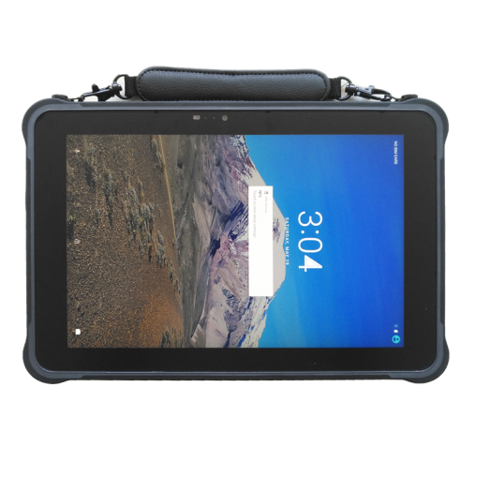
Product Outlook

Standard Configuration
ITEM | DESCRIPTION | Detail | Remark
OS | android 7.0
CPU | MT6735
RAM/ROM | 3GB/32GB
LCD | 10.1 inch1920*1200 | 450 nits sunshine readable
Touch screen | 5 point touch, glove touch, water touch,
Camera | 5M/13M, flash | 5M/13M, flash
Power and battery | battery total capacity 10500mAh | 8400mAh,hotswap, 2100mAh backup power 3.8V 3A imput, support hotswap
 | 3.5*1.35mm, 5V 3A DC in put | Magnetic charger
WWAN | 4G LTE, 3G WCDMA, GSM | 4G Fre: FDD: B1,B2, B3,B5, B7, B8, B12， B20 TDD: B38,B39,B40,B41 B34 WCDMA:B1, B8 TD-SCDMA: B34, B39 GSM/GPRS/EDGE
GPS | beidou,GPS, glonass
wifi | 802.11a b c, g,n wireless internet Wireless AP ( Mobile AP )2.4G, 5G
BLUETOOTH | 4.0 version
NFC | 13.56 MHz, distance 5cm or above
SPEAKER | 1.5 watt
Sensor | 1. light sensor 2. compass 3. gravity 4. acceleration 5. baroceptor
Size | 275*178*18mm
Multi-media (Hardware decoding) | Photo Viewer | BMP, JPG, GIF, PNG
 | Video Format | MEPG 1/2/4,H.263/H.264,RMVB,WMV/VC-1,MVC,AVS,MJPEG. (UP TO 1080P)
 | Audio Format | MP3,WMA,WAV,OGG,FLAC,ALAC,APE,AAC,AC-3,DTS (need license)
Language | multi language
Interface in/out port | 1. normal USB*1 2. Micro USB*1 3. RJ45*1 4. bottom pogopin*1, USB and serial 5. back pogopin*1 6. DC*1 3.5*1.35 7. microphone+earphone 8. mini HDMI 9.RS232*1
Pogopin definition | 1.16pin back of cover, include （1USB, 1 RS232， 1 UART， 3.3V, 5V OUT) 2. 8pin in bottom； （1USB, 1 RS232， 1 UART， ) VESA hole 75*75mm or 90*90mm
casing material | ABS/PC
button | V+ -, Power, P, F, H
Accessories | 1. USB cable 2. charger 3. handstrap 4. car holder 5. docking station 6. car charger 7. white box, no logo
Proof rate | 1. water proof IP65 2. Drapping proof 1.2 meter
Certification | 1. 810G 2. CE,FCC
Temperature | 1. storate temperature -25℃ to 80 ℃degree 2. operation temperature -20 ℃to 60℃ degree
Optional functions
2D barcode module (optional function) | honeywell N3680
Fingerprint module (optional function) | LD-8800-M

